Maps
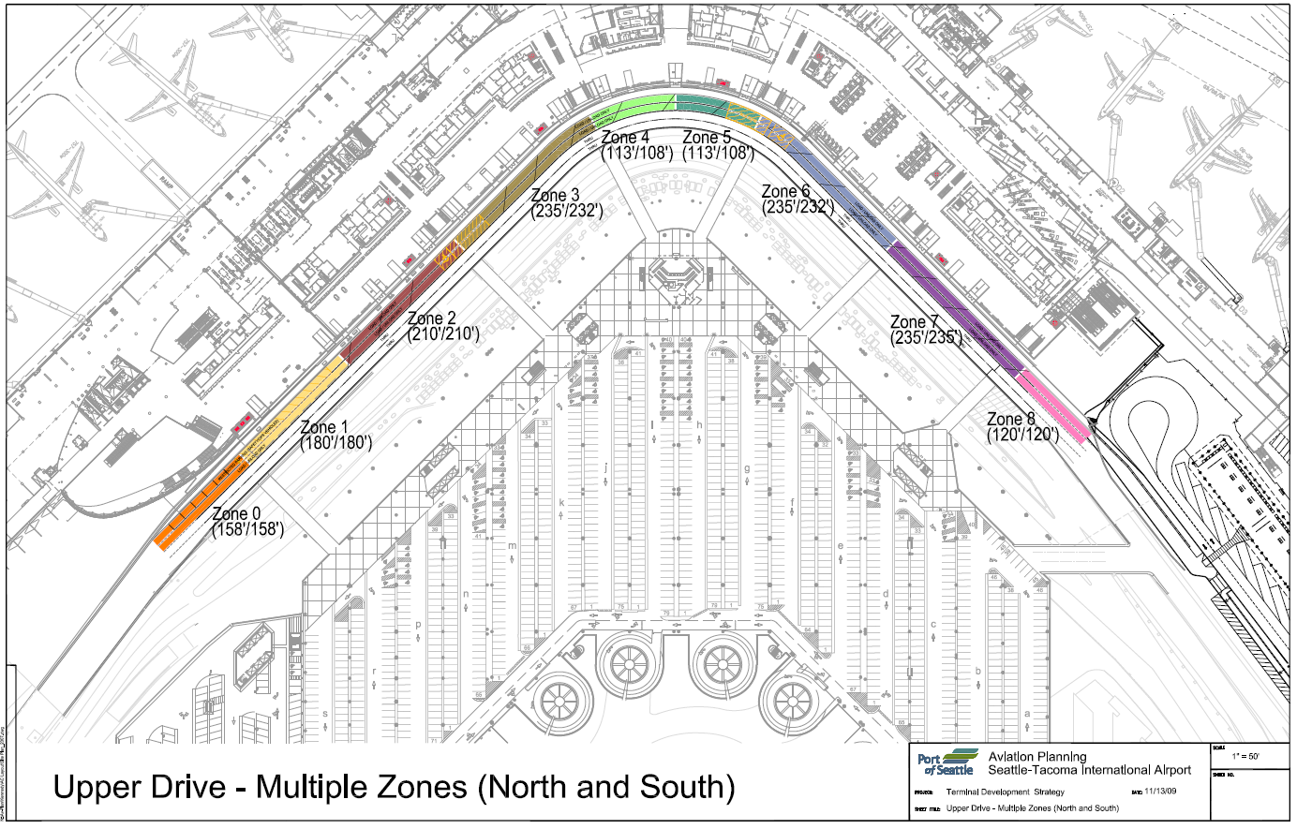
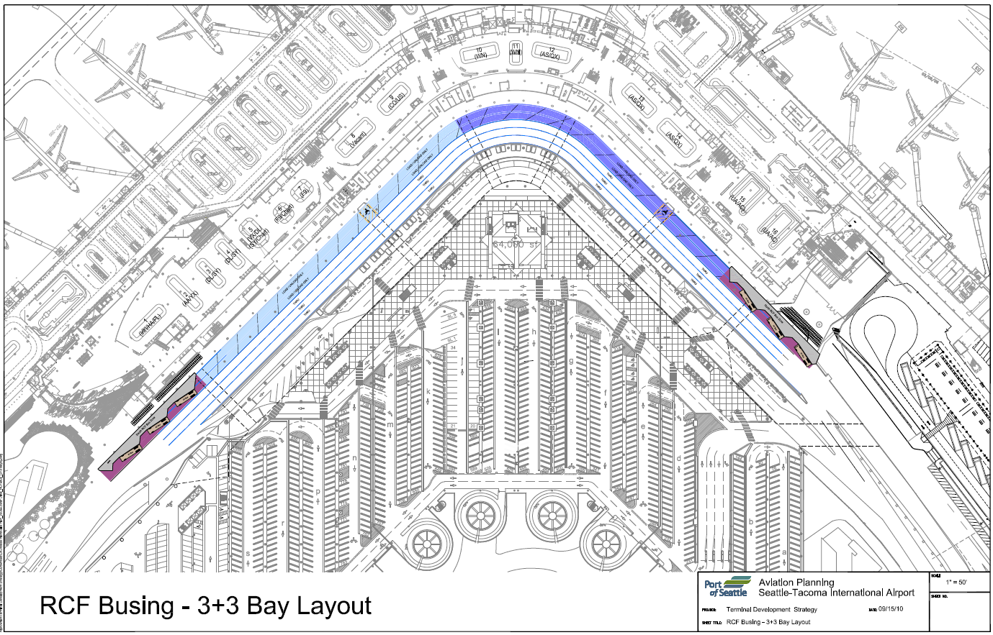

Mode Split
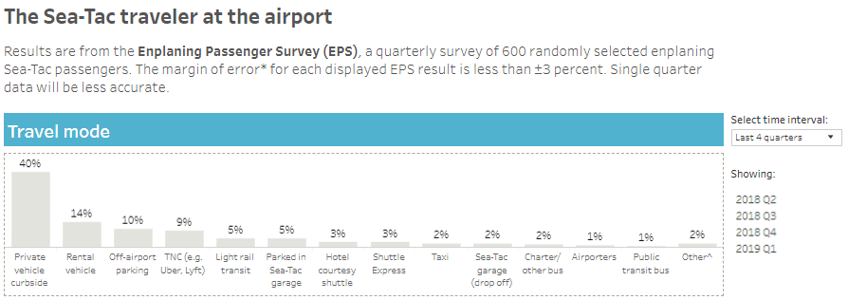
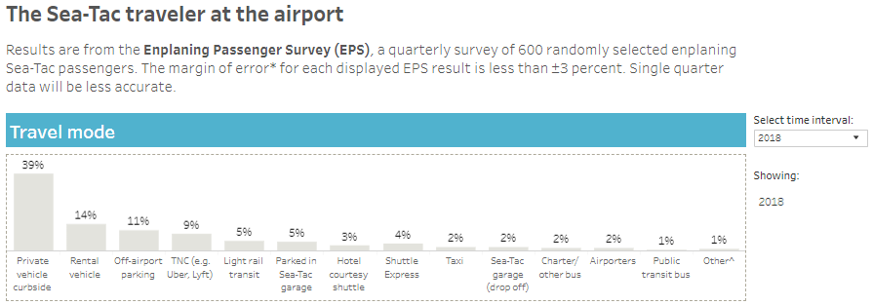
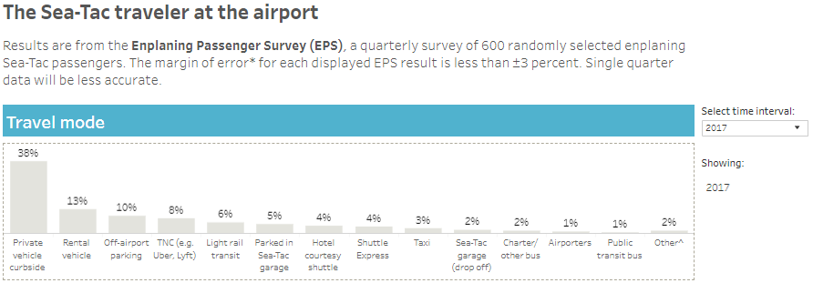
Mode Splits - Enplaning Passenger Survey
Years 2017, 2018, 2019
Source: Port of Seattle Business Intelligence

Garage Stalls
Number of Stalls by Floor
Source: Sustainable Airport Master Plan
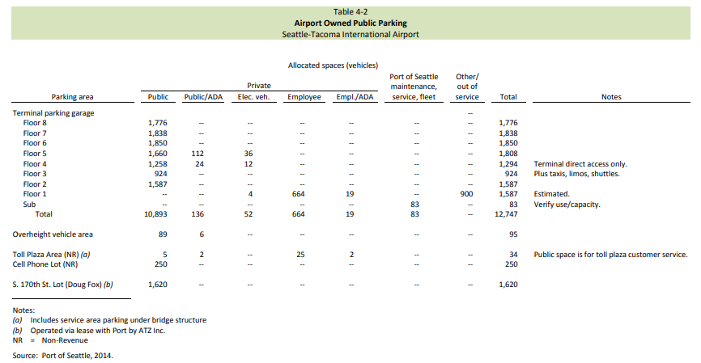

NOTE
The number of public stalls should be accurate.
However, changes were made on the 3rd floor of the garage and the number of public stalls decreased t o accomodate TNCs. This change can be captured from the CAD drawing of the 3rd floor. About 130 parking stalls need to be subtracted from the public stalls on the 3rd floor.
The number of electric vehicles may also be greater than what reported in this table.

and Ride App
Pickups

